01
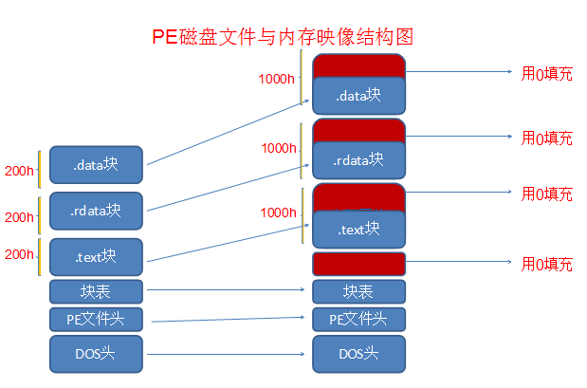

 |  |  |  | 4G | 4G

1、节省硬盘空间

 |  |  | 硬盘对齐:200h

 |  |  | 内存对齐:1000h

 |  |  | 多开：QQ 小号 。。。小号。。。

数据：只读 | 100 | 数据: 可读 可写 | 数据: 可读 可写

数据: 可读 可写 | 100 | 数据: 可读 可写 | 数据: 可读 可写

PE结构图
